Sheet1
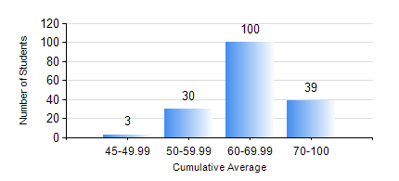
 |  |  | KWAME NKRUMAH UNIVERSITY OF SCIENCE AND TECHNOLOGY, KUMASI Department of Geological Engineering

 |  |  | BSC. GEOLOGICAL ENG.

 |  |  | COMPREHENSIVE RECORD OF EXAMINATION RESULTS

 |  |  | RESULTS OF YEAR 2 FIRST SEMESTER, 2020/2021 ACADEMIC YEAR

 | Sn | Course Code |  | Course Name | Credit Hours | Min. Mark | Max. Mark | Avg. Mark | Std. Dev. | No. Passed | No. Trailed | No. (Df) | No. (I) | No. (I*) | No. Tagged(I,I*,Df) | Total
 | 0. |  |  |  |  |  |  | 0 | 0 | 0 | 0 | 0 | 0 | 0 | 0 | 22
 | 1. | CE 251 |  | STRENGTH OF MATERIALS | 2 | 23 | 94 | 57 | 14.58 | 138 | 12 | 0 | 0 | 0 | 0 | 150
 | 2. | CE 255 |  | THEORY OF STRUCTURES | 3 | 40 | 83 | 52 | 11.23 | 150 | 0 | 0 | 0 | 0 | 0 | 150
 | 3. | CENG 291 |  | ENGINEERING IN SOCIETY | 2 | 40 | 87 | 60 | 9.36 | 149 | 0 | 1 | 0 | 0 | 1 | 150
 | 4. | GED 251 |  | MINERALOGY | 3 | 28 | 84 | 63 | 9.25 | 149 | 1 | 0 | 0 | 0 | 0 | 150
 | 5. | GED 253 |  | PHYSICAL GEOLOGY | 3 | 40 | 95 | 71 | 12.92 | 150 | 0 | 0 | 0 | 0 | 0 | 150
 | 6. | GED 267 |  | COMPUTER PROGRAMMING | 2 | 19 | 90 | 54 | 15.26 | 131 | 19 | 0 | 0 | 0 | 0 | 150
 | 7. | MATH 251 |  | DIFFERENTIAL EQUATIONS | 4 | 19 | 62 | 45 | 7.5 | 135 | 15 | 0 | 0 | 0 | 0 | 150

